Info
Data source | Year | Font | Letters | Visual Angle (Vertical Deg) | Stimulus Deterioration | Accuracy | Subjects | Sex | Displays / Letter / Subject | Total Displays / Letter | Correlation With Testolin et al. | Critique in van der Hejden et al.
Gilmore et al. | 1979 | 5x7 Dot Matrix | A–Z (uppercase) | 0.33 | Duration (mean 33ms) | 50% | 20 |  | 60 | 1200 | 0.34 | Mewhort and Dow (1979) noted a number of problems and especially low correlation to the diagonal elements in Townsend.
Loomis | 1982 | Helvetica Extra Light | A–Z (uppercase) | 0.31 | Gaussian blur (half-power width 19') and size | 60% | 6 | F | 41 | 246 | 0.34
Phillips et al. | 1983 | Helvetica (line weight 16% of height) | A–Z (uppercase) | 0.03 | Size | 43% | 4 | F | 15 | 60 | 0.49
Townsend | 1971 | Typewriter IBM Executive Directrix | A–Z (uppercase) | 0.50 | Duration (blank poststimulus field) | 50% | 6 | F | 25 | 150 | 0.63 | "Because of the rather low number of observations, Townsend's matrix may not contain the reliable offdiagonal estimates of probability needed for subsequent calculations."
Townsend | 1971 | Typewriter IBM Executive Directrix | A–Z (uppercase) | 0.50 | Duration (noisy poststimulus field) | 50% | 6 | F | 25 | 150 | 0.49 | This was disregarded already in Townsend itself.
van der Heijden et al. | 1984 | Custom monoline sans-serif | A–Z (uppercase) | 0.48 | Duration (mean 6.42ms) | 50% | 20 |  | 60 | 1200 | 0.66
 |  |  |  |  |  |  |  |  |  |  | (Mean between these studies 0.56)
General Info
In all tables, stimuli are rows and responses columns.

Full References
Gilmore, G. C., Hersh, H., Caramazza, A., & Griffin, J. (1979). Multidimensional letter similarity derived from recognition errors. Perception & Psychophysics, 25(5), 425–431. https://doi.org/10.3758/BF03199852
Loomis, J. M. (1982). Analysis of tactile and visual confusion matrices. Perception & Psychophysics, 31(1), 41–52. https://doi.org/10.3758/BF03206199
Phillips, J. R., Johnson, K. O., & Browne, H. M. (1983). A comparison of visual and two modes of tactual letter resolution. Perception & Psychophysics, 34(3), 243–249. https://doi.org/10.3758/BF03202952
Testolin, A., Stoianov, I., & Zorzi, M. (2017). Letter perception emerges from unsupervised deep learning and recycling of natural image features. Nature Human Behaviour, 1(9), 657–664. https://doi.org/10.1038/s41562-017-0186-2
Townsend, J. T. (1971). Theoretical analysis of an alphabetic confusion matrix. Perception & Psychophysics, 9(1), 40–50. https://doi.org/10.3758/BF03213026
van der Heijden, A. H. C., Malhas, M. S. M., & van den Roovaart, B. P. (1984). Anempirical interletter confusionmatrix for continuous-line capitals. Perception & Psychophysics, 35(1), 85–88. https://doi.org/10.3758/BF03205927

OCR Tool
https://api.products.aspose.app/ocr/en/table-ocr

Samples
Gilmore

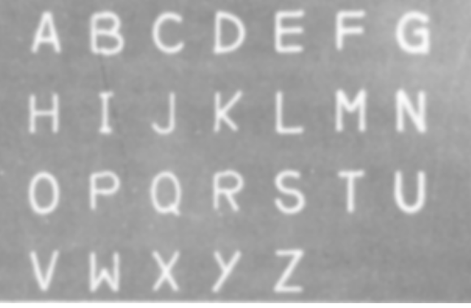
van der Heijden et al.

